Convention Center Map
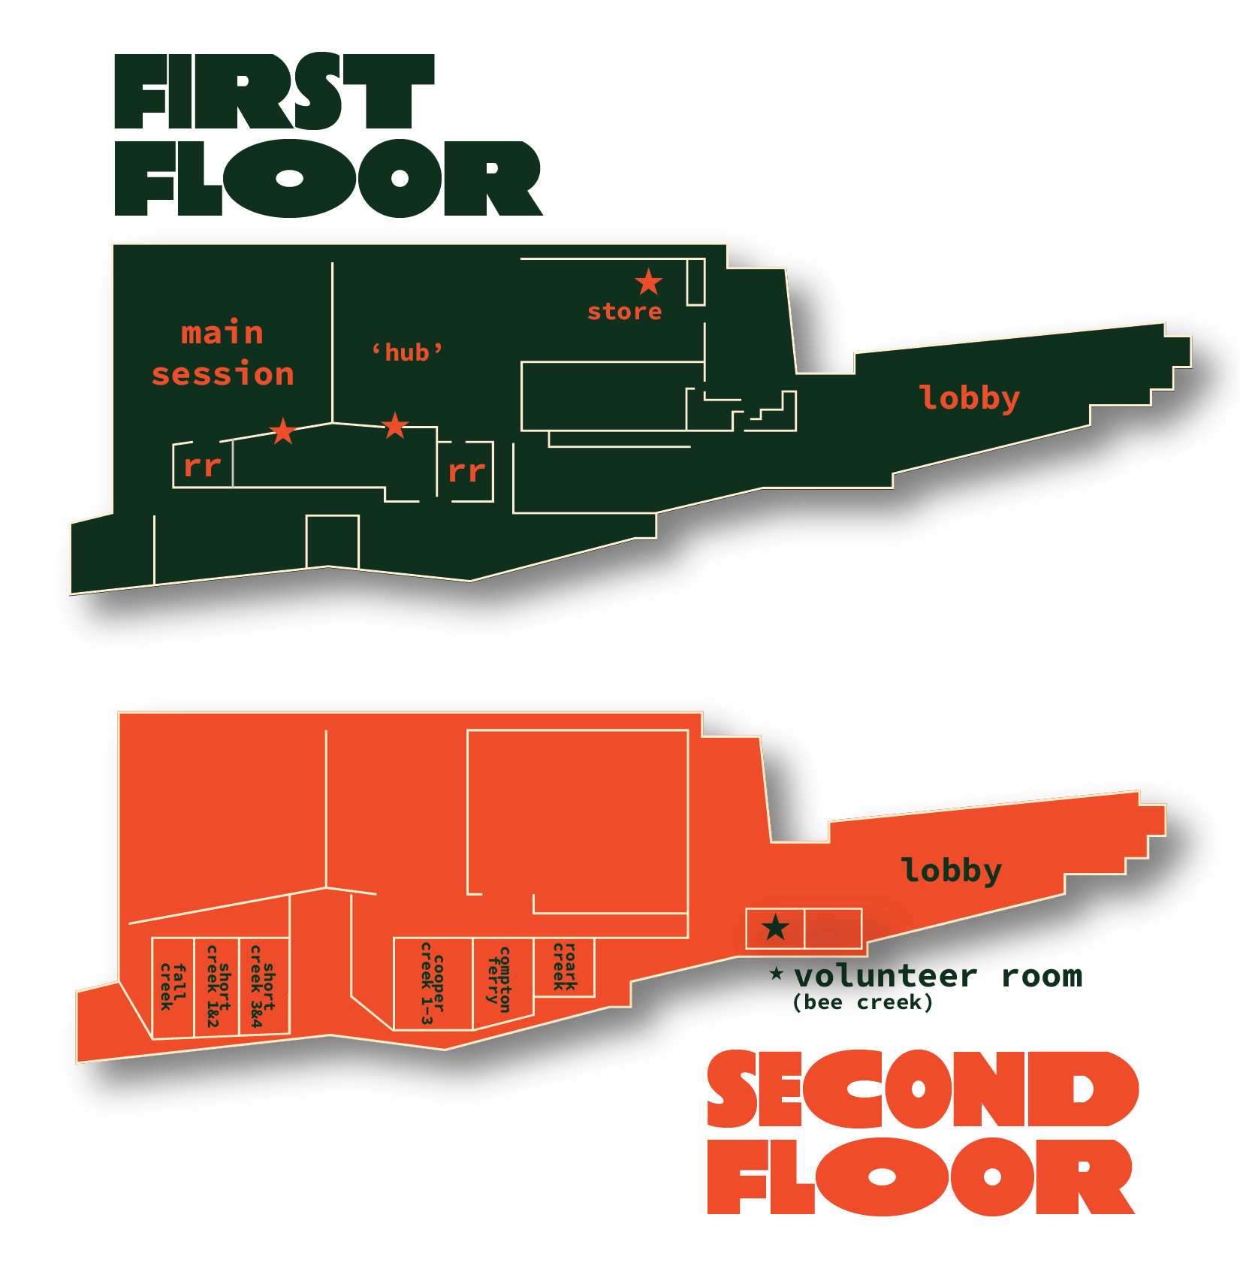
CONVENTION CENTER MAP
 | WRISTBAND LOCATIONS:
 | TANEYCOMO ENTRANCE - STORE STAR
 | UPSTAIRS ENTRANCE - STAR ENTERING HUB
 | MAIN SESSION - MAIN SESSION STAR

 | VOLUNTEER ROOM:
 | PICK UP GIFT BAG, NAME TAG, AND REFRESH BETWEEN VOLUNTEERING !

SMC Schedule
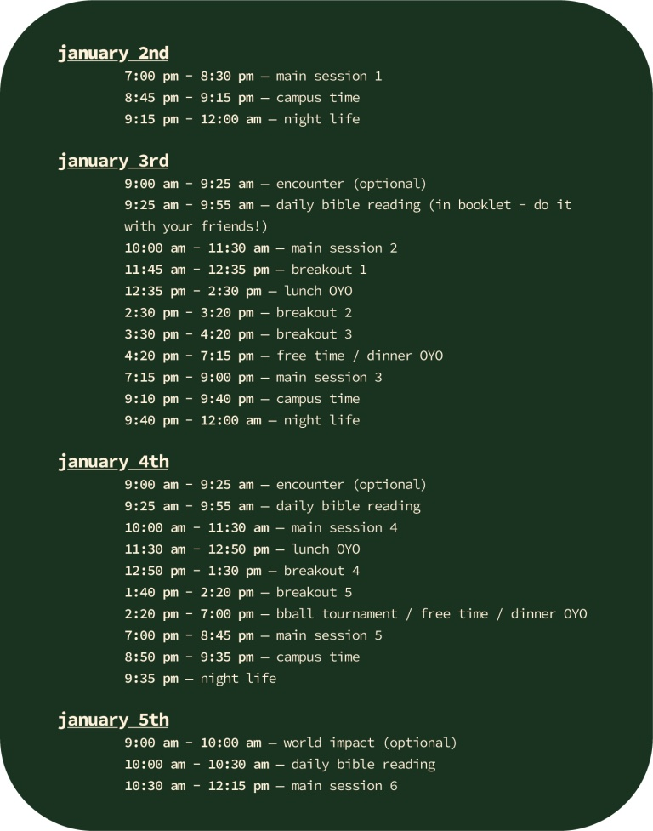
SMC BRANSON 2024 SCHEDULE

Staff Contact Information


SMC VOLUNTEER TEAM CONTACT INFORMATION

Haley Ryan - Primary Contact
(785) 766 8925
haley.ryan@stumo.org

Lyndsey Mickle
‭(402) 309-0994‬
lyndsey.mickle@stumo.org

Grace Jones
(913) 530-5183‬
grace.jones@stumo.org

EMERGENCY CONTACT INFORMATION

Katie Turner: SMC Director 785-840-7632
Hotel Security: 417-239-7198 (Cell)
Hotel Security: 417-243-7205 (Office)

